CstmFrmts
2 Apply Custom Data Formats and Layouts
 | 2.1 Custom Data Formats and Validation
 |  | 2.1.1 Custom Data Formats
 |  |  | Alt H FM or Ctrl+1
 |  |  | Custom Syntax: positive format ; negative format ; zero format ; text format
 |  |  |  | '#': Holds place for digit in syntax but displays nothing if no number is entered
 |  |  |  | '0': Holds place for digit and displays '0' if blank
 |  |  |  | '?': Holds place for digit and displays ' ' if blank
 |  |  |  | Examples
 |  |  |  |  | Number | Format | Result
 |  |  |  |  | 25 | 0### | 25
 |  |  |  |  | 25 | 0000 | 0025
 |  |  |  |  | 25 | 0??? | 25
 |  |  |  |  | 25 | #.#0 | 25.0
 |  |  |  |  | 25 | #.00 | 25.00
 |  |  |  |  | 2500 | #,### | 2,500
 |  |  |  |  | -25 | ###; [red] (###) | (25)
 |  |  |  |  | -25 | ###; [red] (###) | (25)
 |  |  |  | Advanced Examples
 |  |  |  |  | 1234567 | #,##0.0, "k" | 1,234.6 k | (check the 'style' Thousands in this workbook)
 |  |  |  |  | 1234567 | #,###0.00,, "M" | 1.23 M | (check the 'style' Millions in this workbook)
 |  |  |  | Time
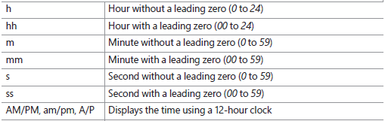
 |  |  |  |  | 9:05:00 | h | 9:05:00
 |  |  |  |  | 9:05:00 | hh | 9:05:00
 |  |  |  |  | 0.00417 | hh:m | 0:06:00
 |  |  |  |  | 0.00417 | hh:mm | 0:06:00
 |  |  |  |  | 0.00002315 | s | 0:00:02
 |  |  |  |  | 0.00002315 | ss | 0:00:02
 |  |  |  |  | 21:00:00 | AM/PM | 0.875
 |  |  |  |  | 21:00:00 | hh:mm AM/PM | 21:00:00
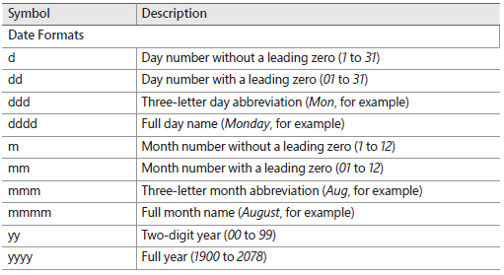
 |  |  |  | Date
 |  |  |  |  | 2019-01-05 | d | 2019-01-05
 |  |  |  |  | 2019-01-05 | dd | 2019-01-05
 |  |  |  |  | 2019-01-05 | ddd | 2019-01-05
 |  |  |  |  | 2019-01-05 | dddd | 2019-01-05
 |  |  |  |  | 2019-01-05 | m | 2019-01-05
 |  |  |  |  | 2019-01-05 | mm | 2019-01-05
 |  |  |  |  | 2019-01-05 | mmm | 2019-01-05
 |  |  |  |  | 2019-01-05 | mmmm | 2019-01-05
 |  |  |  |  | 2019-01-05 | yy | 2019-01-05
 |  |  |  |  | 2019-01-05 | yyyy | 2019-01-05
 |  |  |  |  | 2019-01-05 |  | 2019-01-05 | What if we wanted the day name, month name, day and year?

